DASHBOARD
SALES PERFORMANCE OVERVIEW

TOTAL REVENUE | TOTAL UNITS SOLD | TOTAL PROFIT

$899,902,125 | 2,478,861 | $332,134,761

SALES BY PRODUCT
SALES PROFIT BY REGION
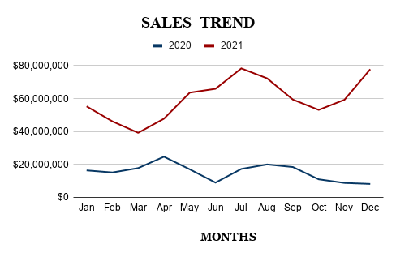
SALES CHANNEL

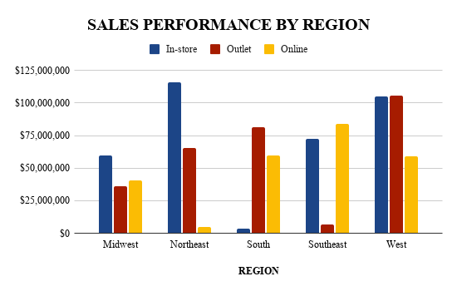
REGION/PERFORMANCE
RETAILER PERFORMANCE

Pivot Table 8
REGION/PERFORMANCE

RegionVSperformance

Pivot Table 6

Best Sales Method | DONUTCHART

SALES CHANNEL

Pivot Table 5
TopRetailers

RETAILER PERFORMANCE

Pivot Table 4
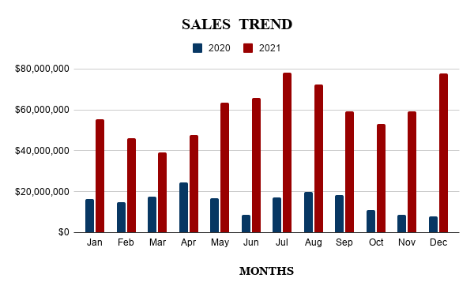
SALESTREND

Pivot Table 3
SALESbyREGION

PIECHART

SALES PROFIT BY REGION

Pivot Table 2
Top Performing Product | BARCHART

SALES BY PRODUCT

